Company
 |  |  |  | Projets | Indicateurs de performance

 |  |  | 2 | Discussion pédagogique portant sur les interventions universelles
 |  |  | 1 | suivi de cohorte FP-Jeunes-Adultes et Scrum
 |  |  | 0 | Discussion pédagogique Plan d'intervention
Augmenter à 66% la proprtion des élèves qui ont entre 70% et 100% à l'épreuve obligatoire d'écriture, 2e année du secondaire | Augmenter à 77 %, la proportion des élèves qui obtiennent entre 70% et 100% à l'épreuve obligatoire résoudre, 6e année primaire | Augmenter à 80% la proportion des élèves qui ont entre 70% et 100% à l'épreuve de lecture ministérielle en 4e année | 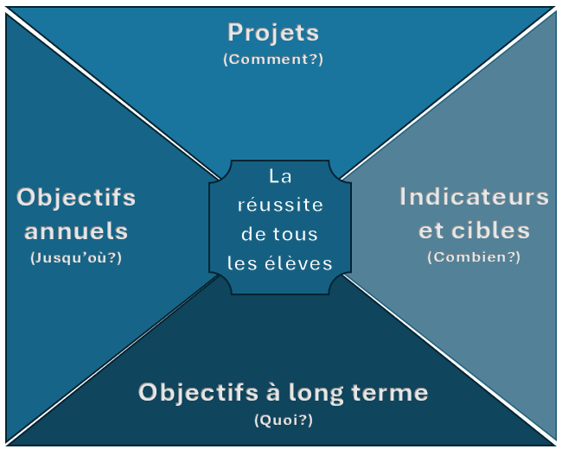 |  | Le plan d'intervention sera révisé au moins 2 X pendant l'année | 85% des élèves en situation d'abandon seront contacté par l'agente de relance | 80% des élèves à risque bénéficieront d'intervention de soutien
 |  |  | Augmenter la proportion des élèves qui obtiennent entre 70% et 100% à l’épreuve obligatoire de lecture, 4e année du primaire
 |  |  | Augmenter la proportion des élèves qui obtiennent entre 70% et 100% à l’épreuve obligatoire de mathématique (compétence Résoudre), 6e année du primaire
 |  |  | Augmenter la proportion des élèves qui obtiennent entre 70% et 100% à l’épreuve obligatoire d’écriture, 2e année du secondaire
 |  |  | Augmenter le taux de réussite des garçons après 7 ans
 |  |  | Augmenter le taux de réussite des élèves HDAA après 7 ans
 |  |  | Diminuer le taux de sorties sans diplôme ni qualification par année scolaire
 |  |  | Augmenter le taux d’obtention d’un diplôme en formation professionnelle après 3 ans
 |  |  | Développer et soutenir la mise en œuvre d’un programme d’insertion professionnelle
 |  |  | Soutenir la formation continue pour toutes les catégories de personnel.
 |  |  | Accroître de façon efficace la communication et la collaboration avec les parents afin de favoriser la réussite des élèves qui reçoivent des services de soutien.

